Kalika_india_testing
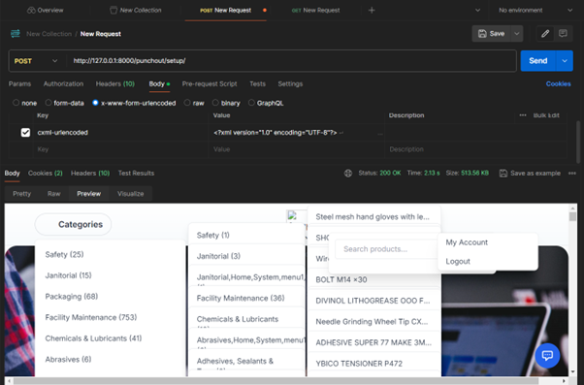
Problems | Discussion with sap team |  |  |  |  | Scenarios | Cases | Test data | Status | Output
During the Punchout real testing with the SAP team, we observed an issue where, instead of redirecting to our new Punchout website catalog, the system was redirecting to the previous supplier website that the company was using earlier | 1. SAP team said the issue could be due to browser settings, cache, or cookies 2. Check supplier domain is correctly linked to the new Punchout website. 5. Also they said check p3 pre protocol of your site 3. Sometimes the domain may still redirect to the old website because of: Old DNS settings , Server level redirect 4. old website domain should be stopped, old website domain should be stopped 5. Check why the new website is not opening: SSL / HTTPS is working properly or not , punchout entry url is reachable or not | But Avetti team are using different domain | space left in our site : Filesystem Size Used Avail Use% Mounted on /dev/root 6.8G 5.8G 943M 87% / tmpfs 1.9G 1.1M 1.9G 1% /dev/shm tmpfs 768M 932K 767M 1% /run tmpfs 5.0M 0 5.0M 0% /run/lock efivarfs 128K 3.8K 120K 4% /sys/firmware/efi/efivars /dev/nvme0n1p16 881M 173M 647M 22% /boot /dev/nvme0n1p15 105M 6.2M 99M 6% /boot/efi tmpfs 384M 12K 384M 1% /run/user/1000 | how to clean up the space, how to add volume,how to migrate to cloud run for pay as per use, logs currently stored, what and how to backup regularly, maintainance scheduler(space cleaning,logs archiving,backup) ,identify scenarios | TESTING: | Catalog cXML without shared secret and without product details | PunchOut Setup with Missing SharedSecret (Valid Catalog Flow) Send POST request to /punchout/setup Include cxml-urlencoded parameter with above cXML SharedSecret validation skipped (because field is absent) User is redirected to: catalog:home | <?xml version="1.0" encoding="UTF-8"?> <!DOCTYPE cXML SYSTEM "http://xml.cxml.org/schemas/cXML/1.2.024/cXML.dtd"> <cXML payloadID="987654321@test-buyer.com" timestamp="2025-11-10T11:00:00Z"> <Header> <From> <Credential domain="NetworkID"> <Identity>ARIBATEST_USER</Identity> </Credential> </From> <To> <Credential domain="DUNS"> <Identity>YOUR_SUPPLIER_ID</Identity> </Credential> </To> <Sender> <Credential domain="NetworkID"> <Identity>ARIBA</Identity> </Credential> </Sender> </Header> <Request deploymentMode="test"> <PunchOutSetupRequest operation="create"> <BuyerCookie>a-new-buyer-cookie-67890</BuyerCookie> <Extrinsic name="User">test.user@buyer.com</Extrinsic> <Extrinsic name="UniqueName">test.user</Extrinsic> <BrowserFormPost> <URL>https://your-procurement-system.com/cxml_return</URL> </BrowserFormPost> <SupplierSetup> <URL>http://127.0.0.1:8000/punchout/setup/</URL> </SupplierSetup> </PunchOutSetupRequest> </Request> </cXML> | Positive | 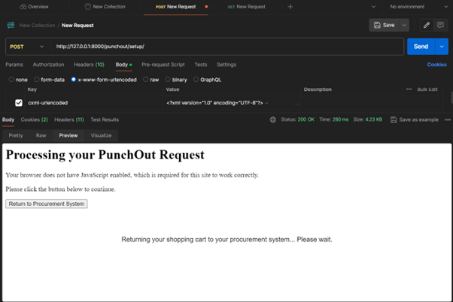
 | first step we need to update ssl certificate and connect with sap team to review and re-test |  |  |  |  | Catalog cXML without shared secret and with product details | PunchOut Setup with ItemOut Send PunchOut setup request No <SharedSecret> One or more <ItemOut> elements | <?xml version="1.0" encoding="UTF-8"?> <!DOCTYPE cXML SYSTEM "http://xml.cxml.org/schemas/cXML/1.2.024/cXML.dtd"> <cXML payloadID="123456789@test-buyer.com" timestamp="2025-11-10T10:30:00Z"> <Header> <From> <Credential domain="NetworkID"> <Identity>ARIBATEST_USER</Identity> </Credential> </From> <To> <Credential domain="DUNS"> <Identity>YOUR_SUPPLIER_ID</Identity> </Credential> </To> <Sender> <Credential domain="NetworkID"> <Identity>ARIBA</Identity> </Credential> </Sender> </Header> <Request deploymentMode="test"> <PunchOutSetupRequest operation="edit"> <BuyerCookie>a-test-buyer-cookie-12345</BuyerCookie> <Extrinsic name="User">test.user@buyer.com</Extrinsic> <Extrinsic name="UniqueName">test.user</Extrinsic> <BrowserFormPost> <URL>https://your-procurement-system.com/cxml_return</URL> </BrowserFormPost> <SupplierSetup> <URL>http://127.0.0.1:8000/punchout/setup/</URL> </SupplierSetup> <ItemOut quantity="2"> <ItemID> <SupplierPartID>N69PC-001-0007</SupplierPartID> </ItemID> <ItemDetail> <Description xml:lang="en">Test Product Description</Description> <UnitOfMeasure>EA</UnitOfMeasure> <UnitPrice> <Money currency="INR">100.00</Money> </UnitPrice> </ItemDetail> </ItemOut> </PunchOutSetupRequest> </Request> </cXML> | Positive

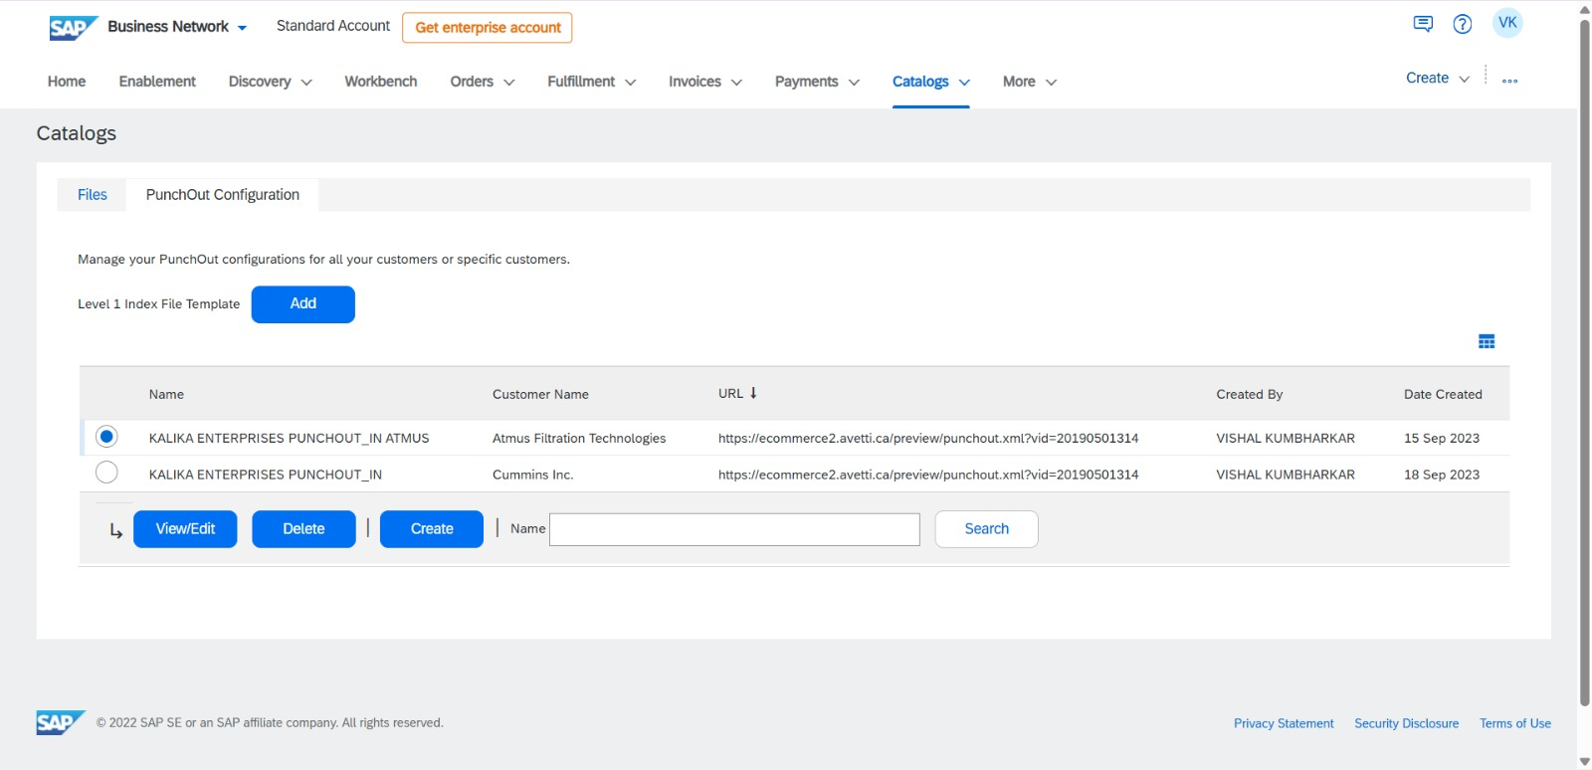
The Diagnosis: Why the "Avetti" Redirect Happens | Hardcoded URLs in cXML: If the cXML request file lists <URL>"avetti's domain"</URL>, it will redirect to avetti no matter what code logic contains | The procurement system needs to know exactly where to send the user's browser. We must update the SupplierSetup URL in SAP configuration.
 | Django redirect('catalog:home'): In views.py, the successful setup ends with return redirect('catalog:home'). If Django settings.py has a base URL pointing to the Avetti domain, Django will generate a redirect to that absolute URL. | Debugging the Redirect in views.py: catalog:home might be resolving incorrectly. We force an absolute redirect in punchout_setup view to test
 |  | Ariba Network Supplier Profile: Log in to your Ariba Supplier Network account. Under "Configuration" > "PunchOut Setup," ensure that the "PunchOut URL" is set to https://kalikaindia.com/punchout/setup/. If Avetti's URL is saved in the Ariba profile, it will ignore your cXML instructions and route the user to their cached preview URL.

A real time cXML generated to crosscheck what <URL></URL> and <Identity> contains

Punchout code analysis
High-level punchout flow supported by the our code : The implemented code follows the standard SAP Ariba PunchOut process: Buyer logs into SAP Ariba Buyer selects KalikaIndia catalog SAP Ariba sends a PunchOutSetupRequest (cXML) to the supplier Supplier authenticates the request and logs in the buyer Buyer browses products on kalikaindia.com Buyer adds products to the cart Buyer performs PunchOut checkout Supplier sends PunchOutOrderMessage (cXML) back to SAP Ariba Order details are logged in the database This flow corresponds to Create Mode and Edit/Inspect Mode PunchOut scenarios. | views.py – Core PunchOut Logic : Strengths: CSRF disabled correctly Safe XML parsing with error handling Buyer session management implemented Supports ItemOut-based cart auto-fill Gaps: Namespace handling is fragile Authentication checks are minimal (SharedSecret only) No replay-attack protection (payloadID/timestamp) Status: Functionally correct but needs security hardening return_cart_to_ariba View Assessment: Correct session validation Clean separation of logic Status: Correct prepare_and_return_cart_to_ariba Helper Strengths: Correct cXML structure BuyerCookie handling is accurate Order logging before return is best practice Gaps: Missing Header (From/To/Sender) in returned cXML Currency is hardcoded (INR) Auto-checkout enforced (no buyer review option) Status: Near-production but not fully compliant return_to_ariba.html Purpose: Auto-submits PunchOutOrderMessage back to SAP Ariba Assessment: POST method used correctly Uses cxml-urlencoded parameter JavaScript + noscript fallback implemented Status: Fully production-ready |  | SAP team must: Update PunchOut Setup URL Republish catalog Clear cache (important)
 | Scenario 1: No Product Details (Create Mode) Fully supported Buyer manually builds cart Code behavior is correct Status: Fully compliant
 | Scenario 4: Product Details Present (Edit / Inspect Mode) ItemOut parsing supported Cart auto-fill implemented Auto-checkout forced (not ideal) SharedSecret assumed mandatory (correct assumption) gaps : Weak authentication validation Namespace-sensitive XML parsing Hardcoded currency No replay protection Missing cXML headers in return Status: Partially compliant |  | Update PunchOut Setup URL

 |  |  | Republish catalog

Everyday average max 10 PO received to kalika enterprises |  |  | Clear cache (important)

Test case | Sample data | Output | Status
operation="create" | <?xml version="1.0" encoding="UTF-8"?> <!DOCTYPE cXML SYSTEM "http://xml.cxml.org/schemas/cXML/1.2.014/cXML.dtd"> <cXML version="1.2.014" payloadID="create-12345@ariba.com" timestamp="2026-01-23T12:00:00-08:00"> <Header> <From> <Credential domain="NetworkID"> <Identity>AN01000000123</Identity> </Credential> </From> <To> <Credential domain="DUNS"> <Identity>987654321</Identity> </Credential> </To> <Sender> <Credential domain="NetworkID"> <Identity>AN01000000123</Identity> <SharedSecret>response_secret</SharedSecret> </Credential> <UserAgent>Ariba Procurement Solution</UserAgent> </Sender> </Header> <Request> <PunchOutSetupRequest operation="create"> <BuyerCookie>CREATE_MODE_COOKIE_456</BuyerCookie> <Extrinsic name="User">jane.doe@company.com</Extrinsic> <Extrinsic name="UniqueName">Jane Doe</Extrinsic> <BrowserFormPost> <URL>https://webhook.site/c1b9e33a-08e9-40b4-a488-d1552ddfb9cb</URL> </BrowserFormPost> <SupplierSetup> <URL>http://127.0.0.1:8000/catalog/</URL> </SupplierSetup> </PunchOutSetupRequest> </Request> </cXML> | <?xml version='1.0' encoding='UTF-8'?> <!DOCTYPE cXML SYSTEM "http://xml.cXML.org/schemas/cXML/1.2.014/cXML.dtd"> <cXML payloadID="1769156169.e77e61bf-64b9-4a8e-9a8d-cda46445c949@kalikaindia.com" timestamp="2026-01-23T13:46:09.607881Z" version="1.2.014"> <Response> <Status code="200" text="success"/> <PunchOutSetupResponse> <StartPage> <URL>https://kalikaindia.com/?punchout_session=m8pd2piy2gwx66v0hbmjbtxxhfvddpfc</URL> </StartPage> </PunchOutSetupResponse> </Response> </cXML> | Positive
operation="edit" | <?xml version="1.0" encoding="UTF-8"?> <!DOCTYPE cXML SYSTEM "http://xml.cxml.org/schemas/cXML/1.2.014/cXML.dtd"> <cXML version="1.2.014" payloadID="edit-test-12345@ariba.com" timestamp="2026-01-23T12:00:00-08:00"> <Header> <From> <Credential domain="NetworkID"> <Identity>AN01000000123</Identity> </Credential> </From> <To> <Credential domain="DUNS"> <Identity>987654321</Identity> </Credential> </To> <Sender> <Credential domain="NetworkID"> <Identity>AN01000000123</Identity> <SharedSecret>response_secret</SharedSecret> </Credential> <UserAgent>Ariba Procurement Solution</UserAgent> </Sender> </Header> <Request> <PunchOutSetupRequest operation="edit"> <BuyerCookie>EDIT_MODE_TEST_COOKIE_789</BuyerCookie> <Extrinsic name="User">john.doe@company.com</Extrinsic> <Extrinsic name="UniqueName">John Doe</Extrinsic> <!-- Pre-populated cart items from SAP Ariba --> <ItemOut quantity="5"> <ItemID> <SupplierPartID>N69PC-001-0026</SupplierPartID> </ItemID> <ItemDetail> <UnitPrice> <Money currency="INR">25.00</Money> </UnitPrice> <Description>COTTON GLOVES FOR EPOXY (PAIR)</Description> </ItemDetail> </ItemOut> <ItemOut quantity="10"> <ItemID> <SupplierPartID>N69PC-001-0007</SupplierPartID> </ItemID> <ItemDetail> <UnitPrice> <Money currency="INR">1.15</Money> </UnitPrice> <Description>POLYTHENE GLOVES</Description> </ItemDetail> | 2026-01-23 19:47:33,497 - punchout.views - INFO - cxml-urlencoded not found in POST, using request.body 2026-01-23 19:47:33,501 - punchout.views - INFO - --- START INCOMING CXML PAYLOAD --- <?xml version="1.0" encoding="UTF-8"?> <!DOCTYPE cXML SYSTEM "http://xml.cxml.org/schemas/cXML/1.2.014/cXML.dtd"> <cXML version="1.2.014" payloadID="edit-test-12345@ariba.com" timestamp="2026-01-23T12:00:00-08:00"> <Header> <From> <Credential domain="NetworkID"> <Identity>AN01000000123</Identity> </Credential> </From> <To> <Credential domain="DUNS"> <Identity>987654321</Identity> </Credential> </To> <Sender> <Credential domain="NetworkID"> <Identity>AN01000000123</Identity> <SharedSecret>response_secret</SharedSecret> </Credential> <UserAgent>Ariba Procurement Solution</UserAgent> </Sender> </Header> <Request> <PunchOutSetupRequest operation="edit"> <BuyerCookie>EDIT_MODE_TEST_COOKIE_789</BuyerCookie> <Extrinsic name="User">john.doe@company.com</Extrinsic> <Extrinsic name="UniqueName">John Doe</Extrinsic> <!-- Pre-populated cart items from SAP Ariba --> <ItemOut quantity="5"> <ItemID> <SupplierPartID>N69PC-001-0026</SupplierPartID> </ItemID> <ItemDetail> <UnitPrice> <Money currency="INR">25.00</Money> </UnitPrice> <Description>COTTON GLOVES FOR EPOXY (PAIR)</Description> </ItemDetail> </ItemOut> <ItemOut quantity="10"> <ItemID> <SupplierPartID>N69PC-001-0007</SupplierPartID> </ItemID> <ItemDetail> <UnitPrice> | Positive

